Sheet1
N.o | Profile Picture | Full Name | Nickname | Discord name | Interested Projects/ Field of interest | Experienced Code Project | Experience | Email
1 |  | Pen Serey Otdom | OTDOM | OTDOM |  |  | - Android - Java - C - C# - PHP - Laravel - Javascript - Python - HTML5 - CSS3 | pensereyotdom15@kit.edu.kh
2 | 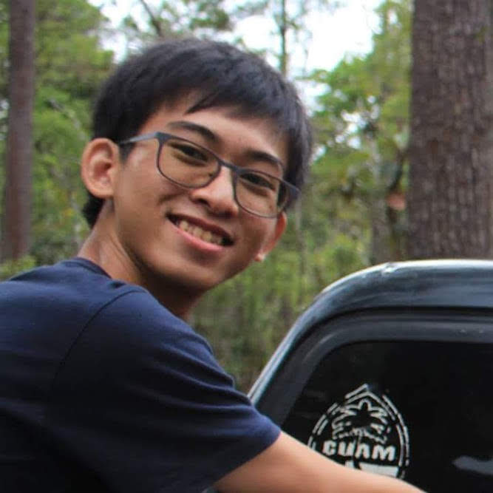 | Phok Chanrithisak | Rithisak | @xpcrts | Data science, Content filtering system using artificial intelligence, enterprise web application development, data analysis, data mining, business intelligence |  | C, Java, Javascript, PHP, Python, Android native development, HTML/CSS/SaSS, MEAN Stack web application development, Django framework, React 360 framework, WebVR, Augmented Reality, ReactJS, Ruby on Rail, Tensorflow framework (Object detection), Node Onvif (Realtime video streaming technology), Material design, Carbon design system. | phokchanrithisak@gmail.com
3 |  | Metheany THORN | Theany | metheany | Chatbot, IoT, Making A.I robot | - Remote Online Classroom (used Laravel framework and Jitsi Webrtc open source) | Coding: - C - Java - Android - HTML5/CSS3/JS - PHP - Python - Vue.js - Laravel - Django - Krpano and Aframe (web vr) - Jitsi webrtc open source Design: - 3D modeling, 3D printing, Basic video animation - Meterial Design - Graphic Design | thornmetheany15@kit.edu.kh
4 |  | Samrach Soem | Samrach | SamrachSoem | Chatbot, IoT, Making A.I robot | - Automation Testing (Both website and android application) - Develop Contact Center System (created chatbot with google dialogflow) | - Android - Java - C - C# - PHP - Reactjs - Javascript - Python - HTML5 - CSS3 | soemsamrach15@kit.edu.kh
5
6
7 |  | Vansen Hengmeanrith | Senheng/Chris | Senheng (Chris) | Automation, IoT, Web, A.I, Data Science, Machine Learning, Blockchain, Data mining |  |  | vansenhengmeanrith17@kit.edu.kh
8 | 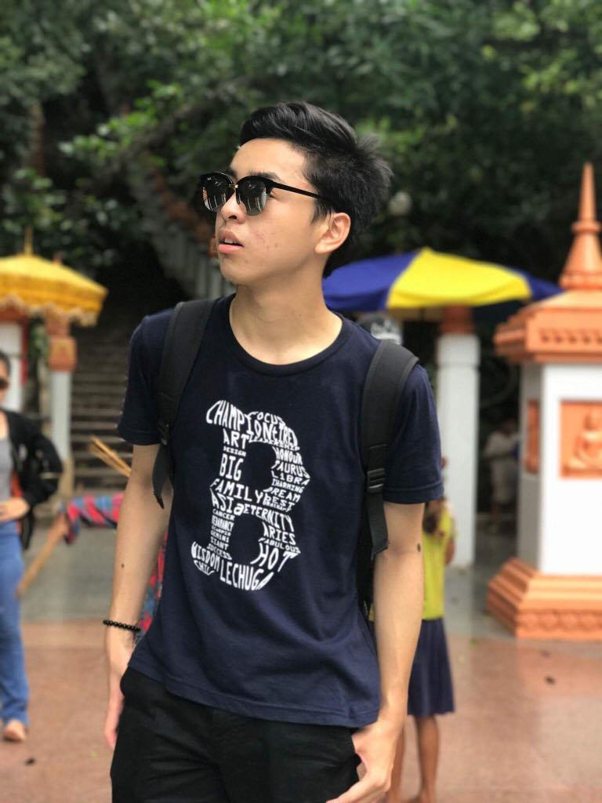 | Tea Vengtieng | Tieng | Tieng | Chatbot, IoT, Robotic, Blockchain, A.I, Automation |  | C,Java, html, css, Javascript, | teavengtieng17@kit.edu.kh
9 |  | Sakmonysothea Youk | Sothea | Sothea | AI, web development, automation, data science |  | C, Java, HTML, CSS, Scala
10 | 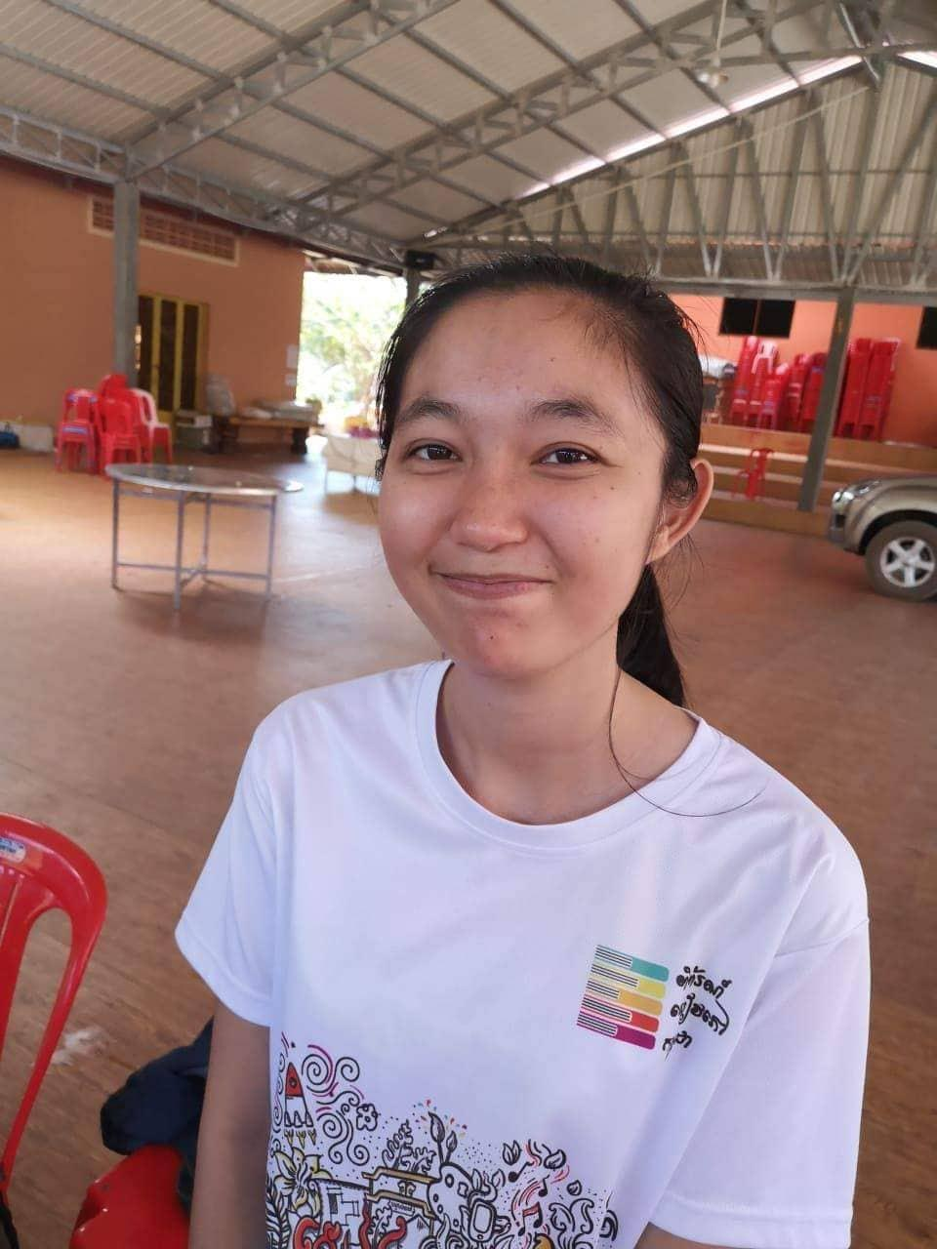 | Chea Nataly | Nataly | Nataly | Robotic, data science and web development |  | C, Java, HTML, CSS, Scala | cheanataly17@kit.edu.kh
11 |  | Hann Manich | Manich | Hann Manich | Data mining, Automation, IoT, Data Science |  | C, Java, HTML, CSS, Javascript, c#, Scala | hannmanich17@kit.edu.kh
12 |  | SEREY Soksan | Soksan | Soksan_SEREY | Data science, Adruno, Machine and deep learning, Blockchain, Business inteligent |  | C, Java, HTML, CSS, Javascript, C#, Python, PHP | sereysoksan16@kit.edu.kh
13 | 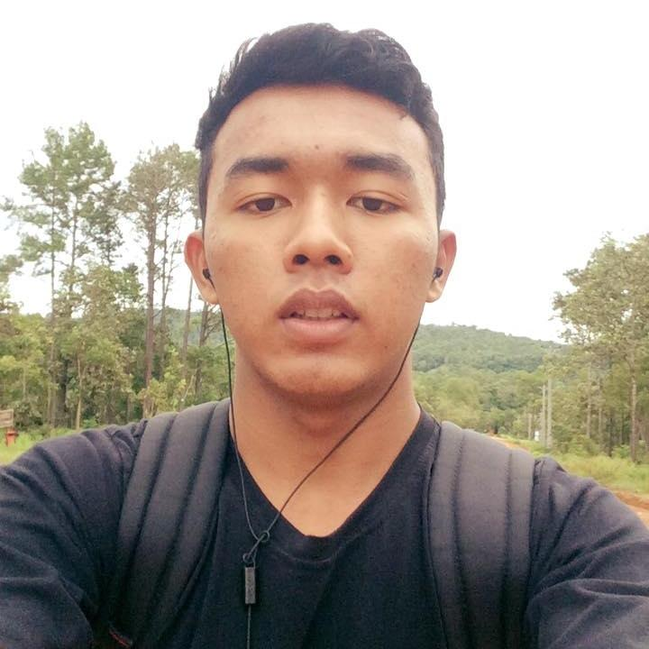 | Sos Sokleng | Danilo | Sokleng Sos | Progressive Web App, Mobile App Development, AI, Web App Development, Data Science | Music App that I am developing https://github.com/Danilo7199/EpidemicSoundApp | C, Java, HTML, CSS, Javascript, Python, Swift | sossokleng16@kit.edu.kh
 |  | SREANG Vuthy | VUTHY | VUTHY | AI, web development, automation, data science, Blockchain, Business Intelligent and Data Analysis | Vue.js, HTML,CSS, JavaScript ( Just Little) | I have learned: C, Java, HTML, CSS, JavaScript, Scala and Kotlin | sreangvuthy17@kit.edu.kh

